1. Title Page
Grocery Basket Analysis

Project Name: Instacart Grocery Basket Analysis
Date: February 27, 2024
Analyst Name: Andrew Ruhnow

Contents:
Population Flow
Consistency checks
Wrangling steps
Column derivations
Visualizations
Recommendations

The Instacart Online Grocery Shopping Dataset 2017”, Accessed from www.instacart.com/datasets/grocery-shopping-2017 via Kaggle on [February 2024].
Customer data was fabricated for the purpose of this project.

2. Population Flow
 |  |  | Title page

Population flow

Exclusion flag
Condition: max_order < 5
Obervations to be removed: 1,441,548
Final total count of order_products_all: 30,992,664

Orders_products_combined
Orders_products_merged
Orders_products_all

Total:
Total:
Total:
32,434,489 rows 13 columns | 32,434,212 rows 33 columns | 32,434,212 rows 33 columns

1.) The grey boxes in the first row of the population flow represent the original data sets as they were when you downloaded them. In the Total fields you need to add the count of the rows when you imported the data set into Jupyter.
2.) The second row of boxes (coloured) represents the data sets after you manipulated them, e.g., removed missing values and duplicates. In the Total fields you need to add the count of the rows after conducting these operations. This offers a visual oveview of how the data flows throughout the data consistency checks.
3.) The third row, where also the arrows are coloured, represents the merges you performed between the datasets. In the Total fields you need to add the count of the rows in the merged datasets, so that you end up with the final dataset (in the red box). Keep in mind the final dataset should be without exclusions (based on the exclusion flag).

3. Consistency checks
 |  |  |  | Title page
Consistency checks

Dataset | Missing values | Missing values treatment | Duplicates
orders | 206209 missing values in days_since_prior_order | Separated out missing values and created separate column. Missing values were due to first customer orders who don't have a prior order. | No duplicates found
products | 16 | Removed rows with missing values = NAN | 5 duplicates
orders_products_prior | None | None | No duplicates found
customers | 11259 First names | Keep missing values | No duplicates found

4. Wrangling steps
 |  |  |  | Title page
Wrangling steps

Columns dropped | Columns renamed | Columns' type changed | Comment/Reason
eval_set |  |  | Column isn't needed since it contains one value for the entire data set.
 | orders_day_of_week |  | Order_dow - changed for better readability
 |  | user_id | Changed user_id to object since it isn't an intergar that needs to be included in analysis
 | days_since_previous_order |  | Days_since_prior_order changed for better readability
 |  | order_id | Changed order_id to object since it isn't an intergar that needs to be included in analysis
 | Changed 'Surname' to 'Last Name'
 | Changed 'fam_status' to 'family status'
 | Changed 'state' to 'State'
 | Changed 'n_dependants' to 'dependants'
date_joined in df_customers |  | changed to datetime64[ns] | Changed dtype from object to datetime64 since the values are date-related

5. Column derivations
 |  |  |  |  | Title page

Column derivations and aggregations

In this tab you should add tables below that the frequences of flags/label variables that you produced after deriving them. NB: don't do this for continuous variables, only for flags.
Dataset | New column | Column/s it was derived from | Conditions | Frequency Output
df_ords_prods_merge | price_range_loc | prices | prices <= 5: 'Low-range product' prices > 5 and <= 15: 'Mid-range product' prices > 15: 'High-range product' | price_range_loc Mid-range product - 21,890,146 Low-range product - 10,126,384 High-range product - 417,682
 | busiest_day | orders_day_of_week | value = 0: 'Busiest day' value = 4: 'Least busy' else = 'Regularly busy' | busiest_day Regularly busy - 22,437,387 Busiest day - 6,209,632 Least busy - 3,787,193
 | busiest_days | orders_day_of_week | value = 0 or value = 1 'Busiest days' value = 4 or value = 3 'Slowest days' else = 'Regularly busy' | busiest_days Regularly busy - 12,927,461 Busiest days - 11,875,462 Slowest days - 7,631,289
 | busiest_period_of_day | order_hour_of_day | value in 10, 11, 14, 15, 13, 12, 16, or 9: 'Most orders' value in 23, 6, 0, 1, 5, 2, 4, or 3: 'Fewest orders' else: 'Average orders' | Busiest_period_of_day Most Orders - 21,137,262 Average Orders - 10,006,752 Fewest Orders - 1,290,198
ords_prods_merge | loyalty_flag | user_id and order_number | max_order > 40: 'Loyal customer' max_order <= 40 and > 10: 'Regular customer max_order <= 10: 'New customer' | Loyalty_flag Regular Customer - 15,891,077 Loyal Customer - 10,293,737 New Customer - 6,249,398
 | spender_flag | user_id and prices | average spent < 10: 'Low_spender' average spent >= 10: 'High_spender' | Spending_flag Low Spender - 31,798,751 High Spender - 635,461
 | frequency_flag | user_id and days_since_prior_orders | customer_orders_frequency > 20: 'Non_frequent_customer' customer_orders_frequency >10 or <= 20: 'Regular_customer' customer_order_frequency <= 10: 'Frequent_customer' | frequency_flag Frequent Customer - 21,577,409 Regular Customer - 7,217,137 Non-frequent Customer - 3,639,669
df_final_merged | region | State | Conditions located in link below and were grouped by Regions 1-4 https://simple.wikipedia.org/wiki/List_of_regions_of_the_United_States | Region South - 10,801,610 West - 8,300,445 Midwest - 7,603,810 Northeast - 5,728,347
small | age_group | age | age < = 24: 'Young Adult' age >24 and <= 44: 'adult' age > 44 and <=60: 'middle aged' age >60:'senior' | age_group senior - 3,175,096 adult - 2,901,364 middle-age - 2,194,785 young-adult - 1,025,766
 | income_flag | income | income >= 100k: 'High income' income < 100k and >= 50k: 'Middle income' income < 50k: 'Low income' | income_category High Income - 4,265,533 Middle Income - 4,020,949 Low Income - 1,010,529

6. Visualizations
 |  |  |  |  |  | Title page

Visualisations

In this tab you should include all the visualtions from Exercises 4.9 and 4.10, alongside the questions from the project brief that they answer. Include any commentary on the relationship between different variables.

Q1. The sales team needs to know what the busiest days of the week and hours of the day are (i.e, the days and times with the most orders) in order to schedule ads at times when there are fewer orders.

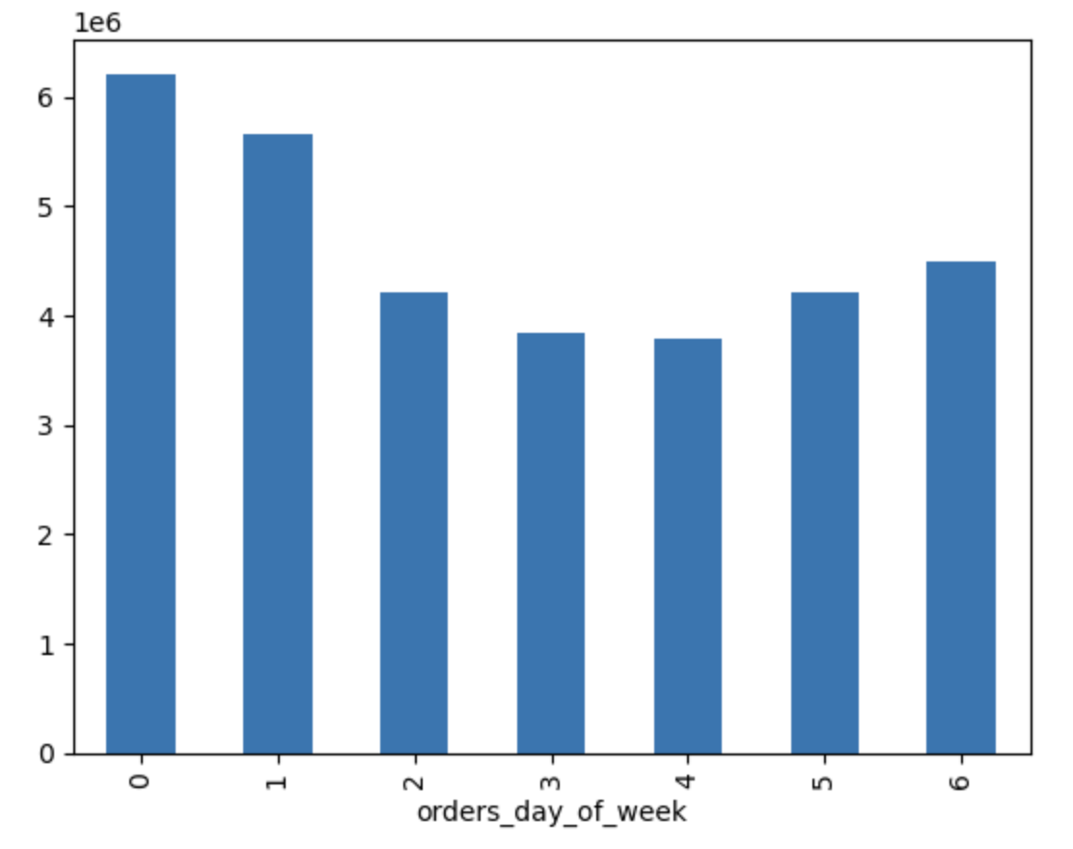
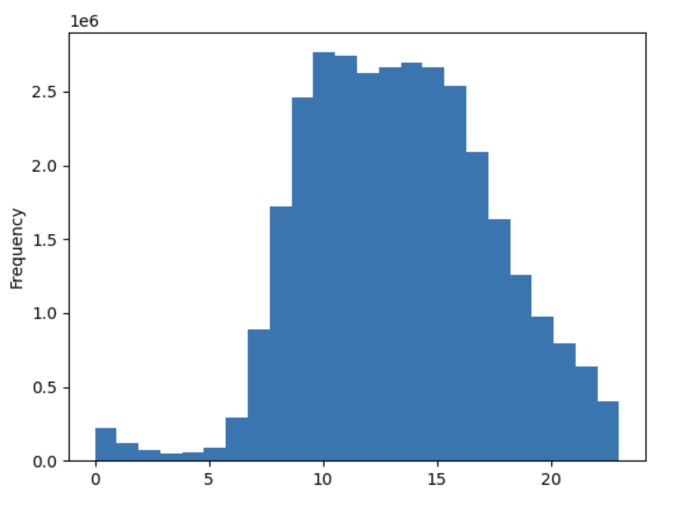

 | orders_day_of_week
Saturday | 0 6209632
Sunday | 1 5665830
Monday | 2 4217766
Tuesday | 3 3844096
Wednesday | 4 3787193
Thursday | 5 4209449
Friday | 6 4500246

 |  |  | This chart shows the busiest days of the week by customer orders. Saturday is the busiest day, Sunday is the second busiest day, and Friday is the third busiest day of the week. |  |  |  |  | This histogram shows the busiest times of day for Instacart. Busiest hour for orders is 10am. Busiest hours are 10am-4pm. Slowest hours are 12a-5a.

Q2. They also want to know whether there are particular times of the day when people spend the most money, as this might inform the type of products they advertise at these times.

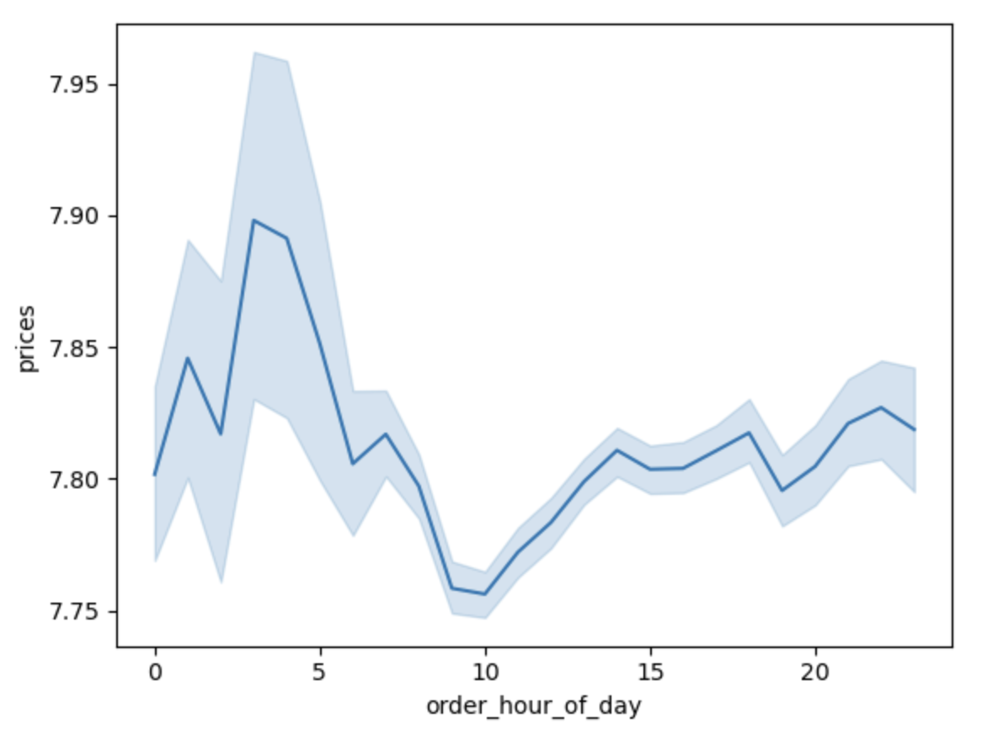
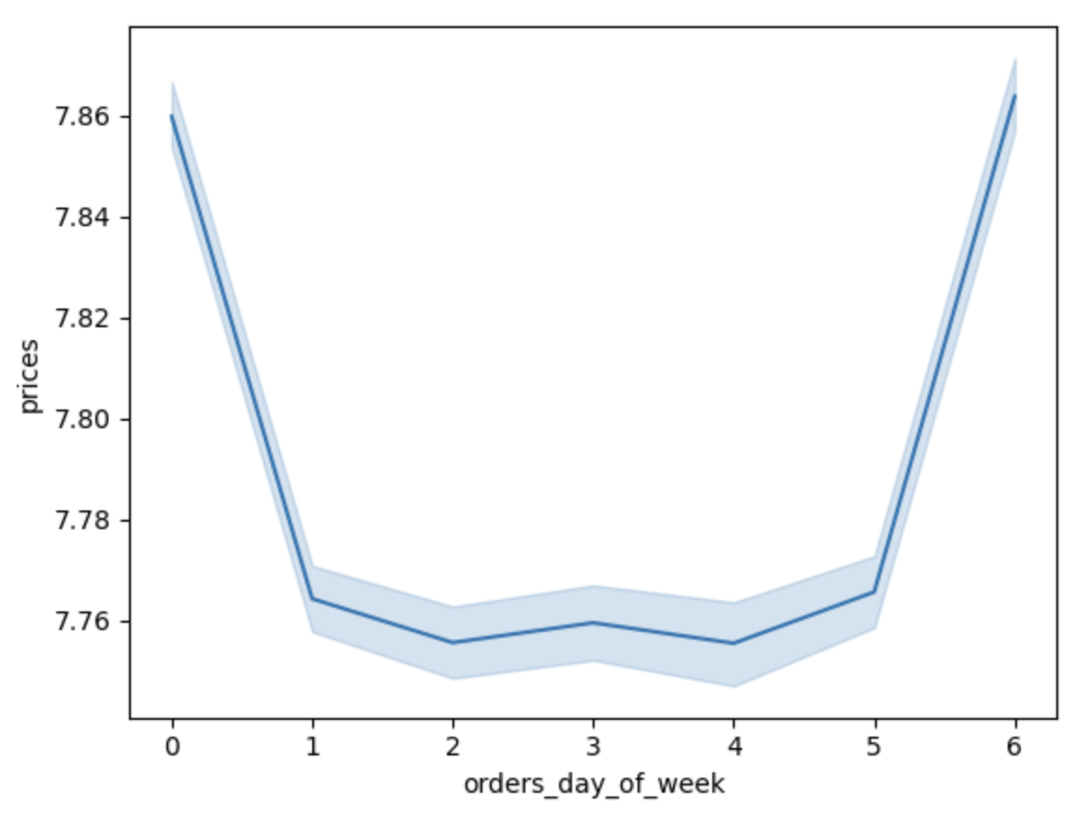

 |  |  | This line graph shows how Instacarts products prices vary during the day. Prices are the highest 3a-4a and lowest 9a-10a.
 |  |  |  |  |  |  |  | The line graph illustrates price variations across different days of the week. The peaks observed on days Sunday (0) and Friday (6) indicate that the highest expenditures occur on Friday and Saturday, possibly attributed to customers preparing for the weekend by stocking up on essentials.

Q3. Instacart has a lot of products with different price tags. Marketing and sales want to use simpler price range groupings to help direct their efforts.

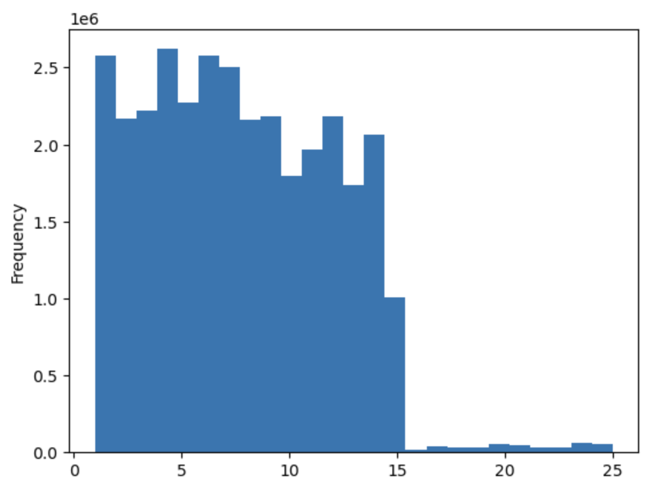

 |  | This chart shows the prices of instacart products and the frequency they are purchase. Products above $15.00 are rarely purchased. Majority of products are $15.00 and under.

Q4. Are there certain types of products that are more popular than others? The marketing and sales teams want to know which departments have the highest frequency of product orders.
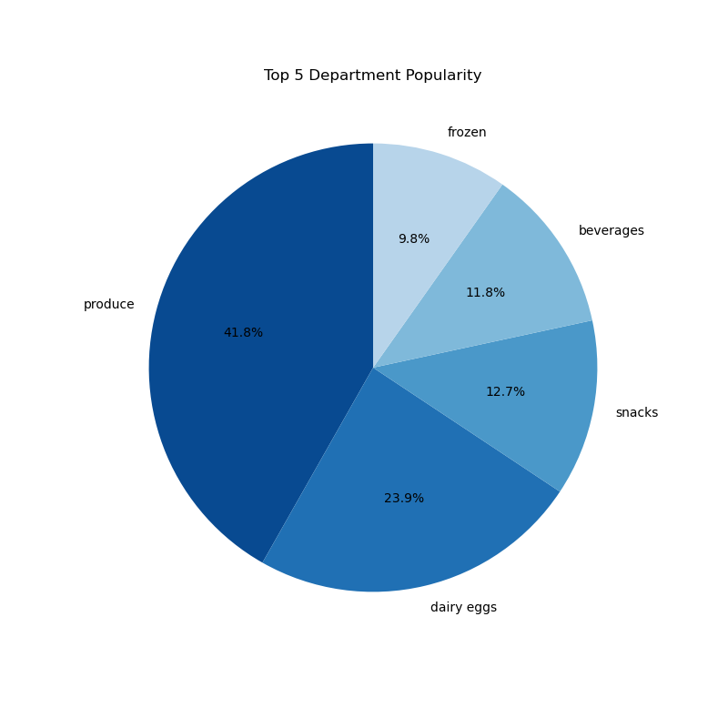
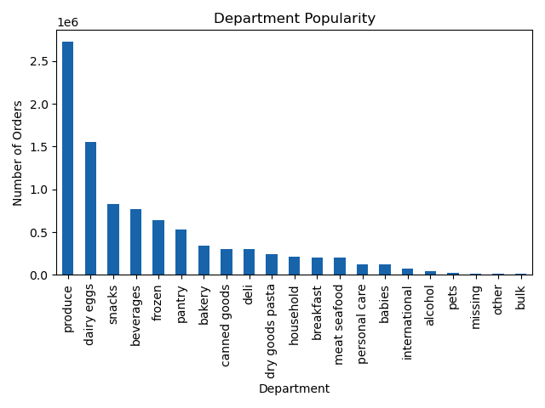

 |  | The top five departments at Instacart are produce, dairy eggs, snacks, beverages, and frozen.

Q5. What’s the distribution among users in regards to their brand loyalty (i.e., how often do they return to Instacart)?

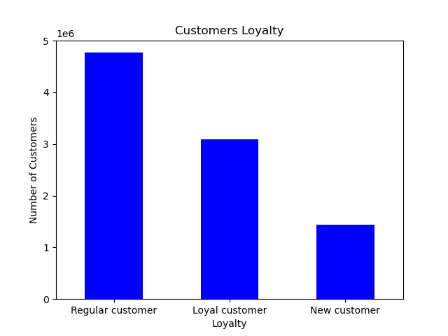
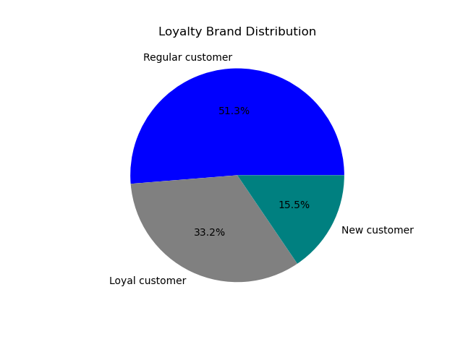

 |  | Majority of Instacart's customers (regular customers) have between 10-40 orders. Loyal customers have over 40 orders. New customers have less than 10 orders.

Q6. Are there differences in ordering habits based on a customer’s loyalty status?

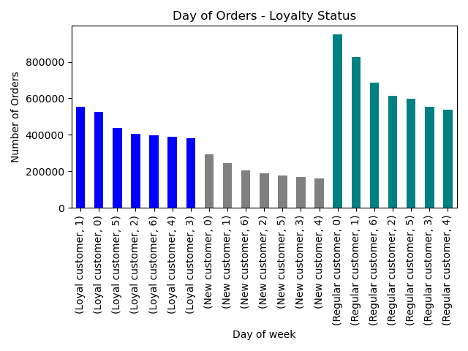
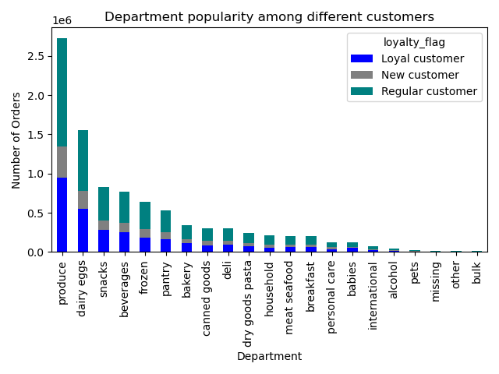

 |  | Regular customers have a higher number of orders compared to loyal and new customers. However, the busiest days of the week are consistent among the three groups with Saturday, Sunday, and Friday being the busest days of the week.
 |  |  |  |  |  | The top 5 departments for Regular, Loyal, and New customers are produce, dairy eggs, snacks, beverages, frozen which is consistent with Instacarts top 5 departments by sales overall.

Q7. Are there differences in ordering habits based on a customer’s region?

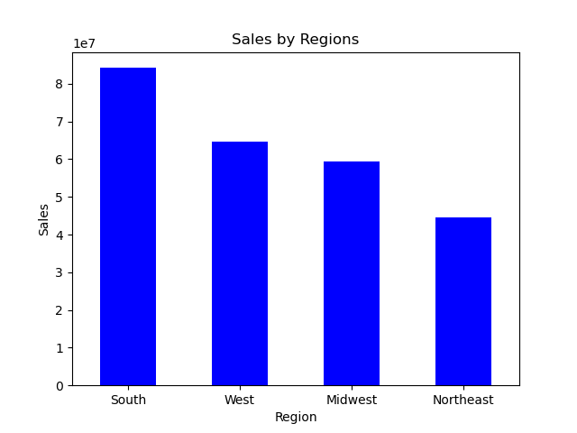
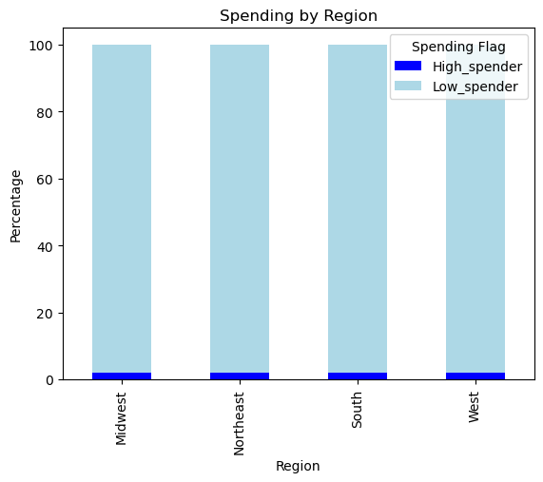
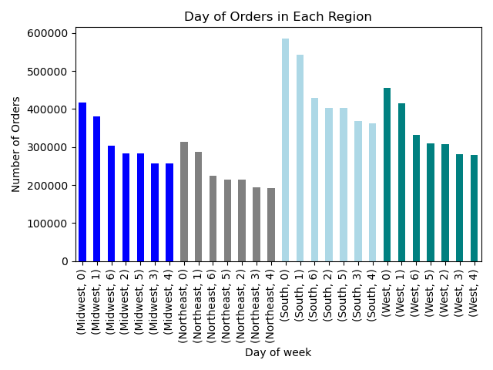

 |  | The South region has the highest number of sales which makes sense since majority of Instacarts customers are in the south region. Most likely due to the south having 17 states whereas West has 13, Midwest has 12, and Northeast has 9.
 |  |  |  |  | High and Low spending seems to be the same across each region |  |  |  | The South region has the highest number of orders and the busiest days for all regions is Saturday, Sunday, and Friday.

Q8. Is there a connection between age and family status in terms of ordering habits?

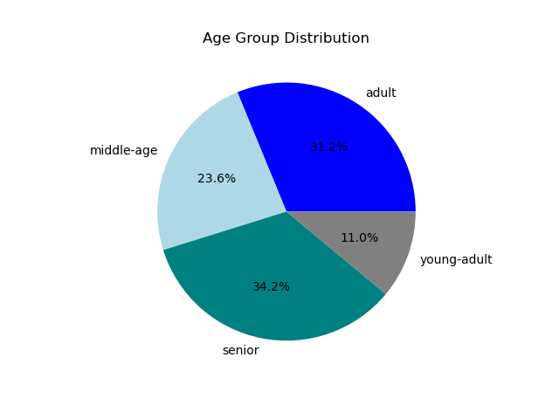
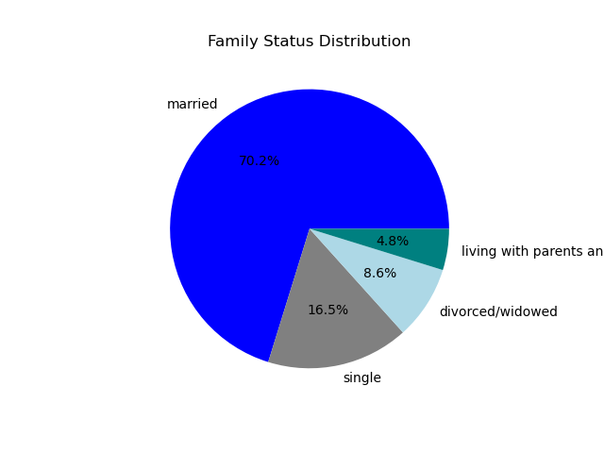

 |  |  |  |  |  |  | A large majority of Instacarts customer base are married
 |  | Instacarts two largest customer age groups are Seniors and Adults.

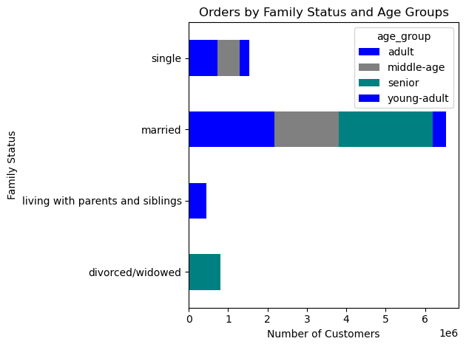
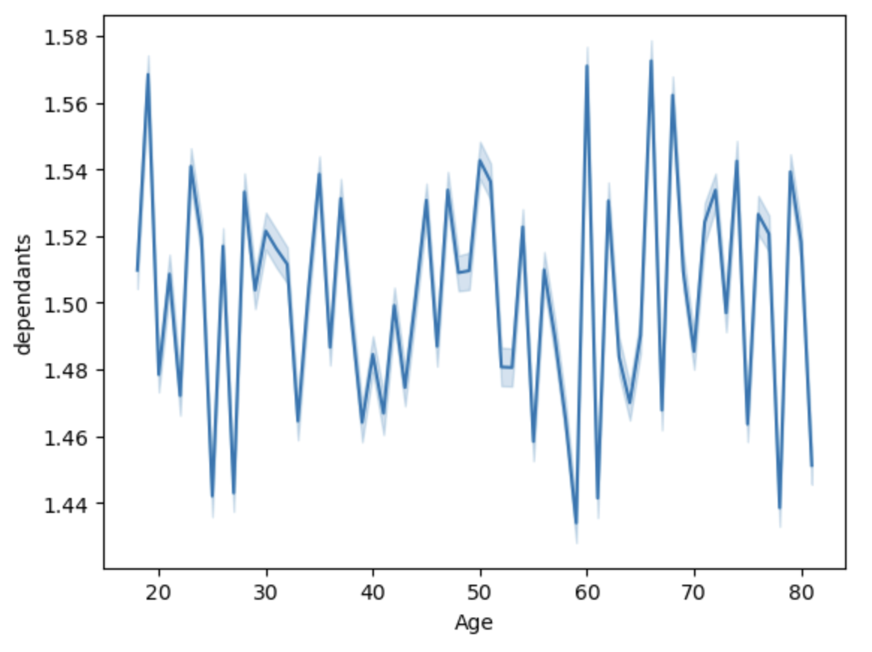

 |  |  |  |  |  |  | This line chart shows no connection between age and number of dependaents. However, majority of instacarts dependents are under 20 years and over 60 years old.
 |  |  |  | A large majority of Instacarts customer base are married and the top three age groups that are married are adult, middle-age, and senior.

Q9. What different classifications does the demographic information suggest? Age? Income? Certain types of goods? Family status?

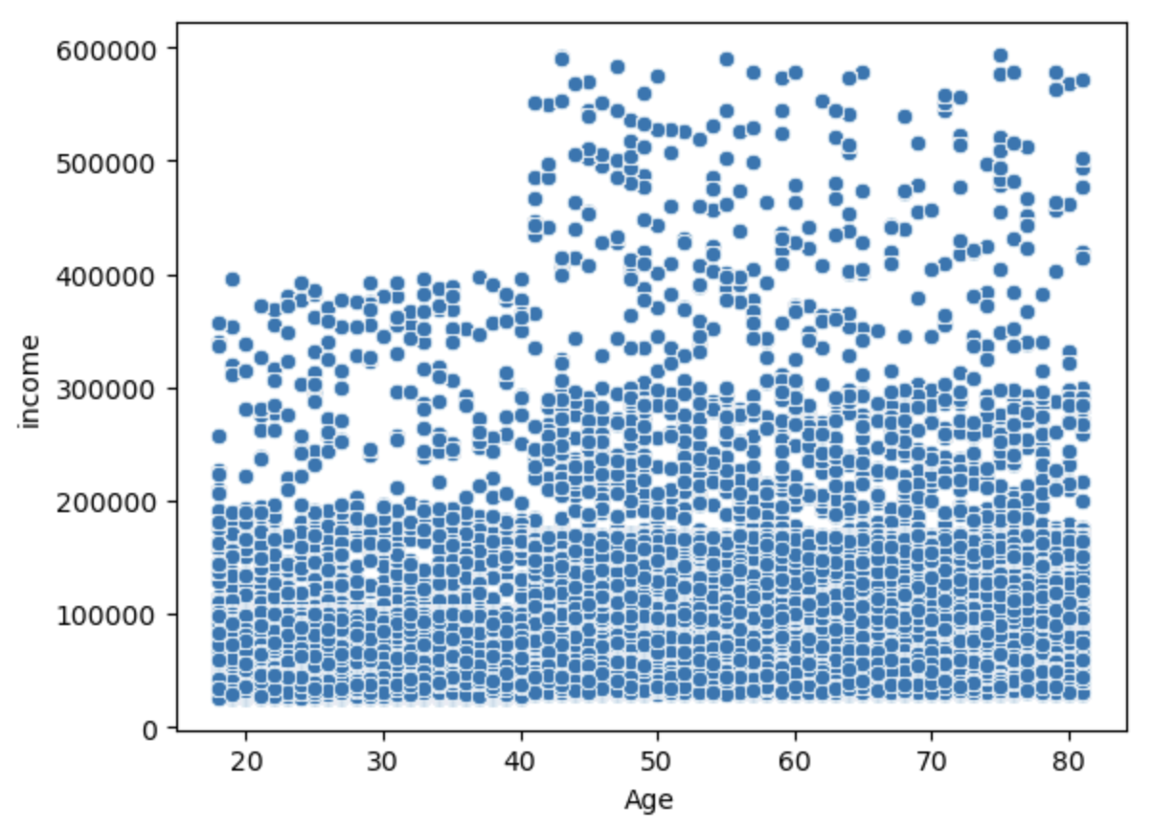

 |  | The scatterplot shows a higher income for customers over 40. Majority of customers are in the 100k - 300k income range.

Q10. What differences can you find in ordering habits of different customer profiles? Consider the price of orders, the frequency of orders, the products customers are ordering, and anything else you can think of.

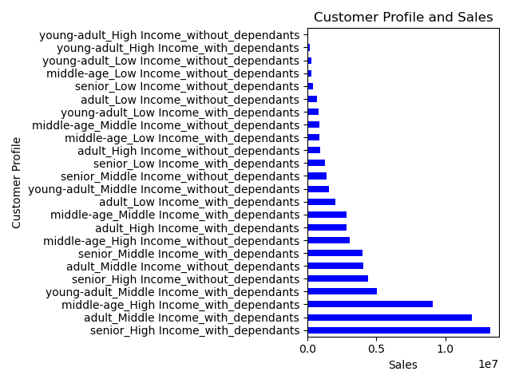
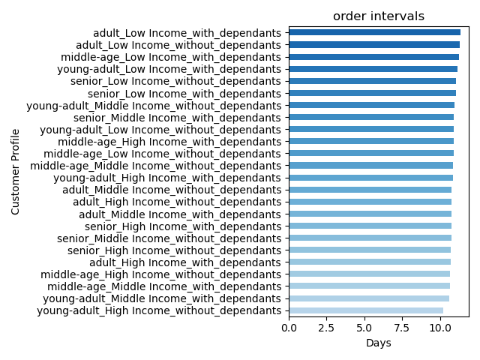

 |  | The top 3 customer profiles by sales are Senior_High Income_with_dependants, adult_Middle Income_with dependants, and middle-age_high Income_with dependants.
 |  |  |  |  |  | The top 3 customer profiles with the longest order intervals (days between orders) are adult_Low Income_with_dependants, adult_Low Income_without_dependants, and middle-age_Low Income_with_dependants.

7. Recommendations
 |  | Recommendations

Recommendations

In this tab you should include any recommendations you would made to Instcart in terms of their marketing strategy based on the questions posed in the brief. Every key question has been covered in the Tasks of the Exercises - here you need to add an item - a visualisation or table/crosstable that is showing the answer in the data, acompanied by a comment from you. Please, list the questions below and add the answer underneath.

Key Questions | Answers and Recommendations
Q1. The sales teamneeds to know what the busiest days of the week and hours of the day are in order to schedule ads at times when there are fewer orders. | The sales team might consider prioritizing quieter times, such as Tuesday and Wednesday, outside the hours of 9 a.m. to 4 p.m. The busiest days, Saturday and Sunday, typically experience peak activity between 9 a.m. and 4 p.m.

Q2. They also want to know whether there are particular times of the day when people spend the most money, as this might inform the type of products they advertise at these times. | They should promote high-value products during peak spending hours, particularly between 2 a.m. and 4 a.m., as well as around 10 p.m. Focus advertising efforts on weekends, particularly from Thursday to Sunday, when spending peaks. There's a surge in purchases of high-priced items from 9 p.m. to 11 p.m., peaking at 10 p.m., followed by a significant increase from 2 a.m. to approximately 5 a.m.

Q3. Instacart has a lot of products with different price tags. Marketing and sales want to use simpler price range groupings to help direct their efforts. | Majority of products purchased at Instacart are $15.00 and under. Products above $15.00 are rarely purchased. Recommend a price range grouping of $5.00 or less, $5.00 to $10.00, then $10.00 to $15.00.

Q4. Are there certain types of products that are more popular than others? The marketing and sales teams want to know which departments have the highest frequency of product orders. | Give priority to the Produce and Dairy Eggs departments which account for 42% and 24% of products ordered. Also, concentrate on Snacks (13%), Beverages (12%), and Frozen (10%) departments since they are the next highest in demand. Create and target advertisements and promotions for these top five high-demand categories to fully leverage sales opportunities and boost profits.

Q5. What's the distribution among users in regards to their brand loyalty (i.e., how often to they return to Instacart)? | Regular customers that have between 10 and 40 orders account for 51% of Instacarts customer population. Loyalty customers that have 40 or more orders account for 33% and New Customers that have 10 orders or less account for 16%. Expand loyalty benefits and membership options available, provide discounted or free delivery and service fees and introduce a point-based reward system to grow the loyalty base and convert new customers into regular and or loyal customers.

Q6. Are there differences in ordering habits based on a customer's loyalty status? | Regular customers have a higher number of orders compared to loyal and new customers. However, the busiest days of the week are consistent among the three groups with Saturday, Sunday, and Friday being the busest days of the week. The top 5 departments for Regular, Loyal, and New customers are produce, dairy eggs, snacks, beverages, and frozen which is consistent with Instacarts top 5 departments by sales overall. Introduce personalized promotions for frequently order products for loyal customers. For new and regular customers offer incentives such as waived service or delivery fees to encourage more frequent orders. Target promotions and sale items on slower days (Tuesday's and Wednesday's) to bring in more orders on slower days to free up delivery resources on busiest days (Weekends).

Q7. Are there differences in ordering habits based on customer's region? | The South region has the highest number of sales which makes sense since majority of Instacarts customers are in the south region. Most likely due to the south having 17 states whereas West has 13, Midwest has 12, and Northeast has 9 states. Higher vs lower spending seems to be the same across all regions with lower spenders being the highest. Recommend the price range groupings discussed above ($5.00 or less, $5.00 to $10.00, then $10.00 to $15.00). Busiest days of the week are Saturday and Sundays across all regions. Recommend promotions, sales,and incentives on slower days during the week to encourage customers to order weekdays and help even out delivery traffic on the weekends.

Q8. Is there a connection between age and family status in terms of ordering habits? | Instacarts two largest customer age groups are Seniors (34%) and Adults (32%) and the majority of Instacarts customer base family status are married (70%). Focus marketing efforts on the married demographic, particularly targeting seniors and adult populations. The data shows no connection between age and number of dependants. However, majority of instacarts dependents are under 20 years and over 60 years old. Target promotions towards young and middle aged adults since they are most likely to have more dependants and will need the convience of having instacarts services.

Q9. What different classifications does the demographic information suggest? Age? Income? Certain types of goods? Family status? | Majority of Instacarts customers are in the 100k - 300k income range. Customers over the age of 40 have a higher income of 400k and over. Implement targeted marketing campaigns aimed at individuals over 40 with an income exceeding 400k while targeting promotional campaigns and discounts towards lower income ranges to meet the needs of customers with lower incomes.

Q10. What differences can you find in ordering habits of different customers profiles? Consider the price of orders, the frequency of orders, the products customers are ordering, and anything else you can think of? | The top 3 customer profiles by sales are Seniors with high income with dependants, adult with middle income with dependants, and middle-age high Income with dependants. The top 3 customer profiles with the longest order intervals (days between orders) are adults with low income with dependants, adult with low income without dependants, and middle-age low income with dependants. Give priority and provide incentives for regular purchases from individuals across different age groups with middle to high incomes who have dependents, as they contribute significantly to sales. Introduce discounts and loyalty programs to boost sales among lower-income age groups. The young adults with high incomes with and without dependants contribute the least to sales. Send out surveys to young adult customers to get feedback on products, incentives, and services that Instacart can provide to secure there business.

